图1-3-3 绘图软件经典配色
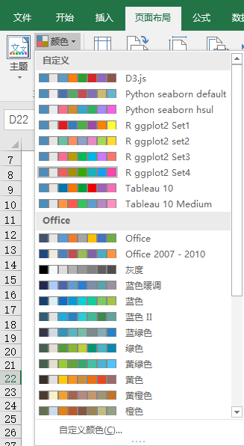
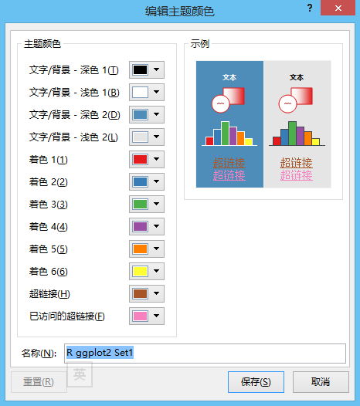
表1-3-3 常用数据可视化软件中部分配色方案的RGB值

R ggplot2 Set1
RGB | 228,26,28 | 55,126,184 | 77,175,74 | 152,78,163 | 255,127,0 | 255,255,51 | 166,86,40 | 247,129,191 | 153,153,153
R ggplot2 Set2
RGB | 102,194,165 | 252,141,98 | 141,160,203 | 231,138,195 | 166,216,84 | 255,217,47 | 229,196,148 | 179,179,179
R ggplot2 Set3
RGB | 255,108,145 | 188,157,0 | 0,187,87 | 0,184,229 | 205,121,255
Tableau 10 Medium
RGB | 96,157,202 | 255,150,65 | 56,194,93 | 255,91,78 | 184,135,195 | 182,115,101 | 254,144,194 | 164,160,155 | 210,204,90
Tableau 10
RGB | 0,118,174 | 255,116,0 | 0,161,59 | 239,0,0 | 158,99,181 | 152,82,71 | 246,110,184 | 127,124,119 | 194,189,44
Python seaborn hsul
RGB | 246,112,136 | 206,143,49 | 150,163,49 | 50,177,101 | 53,172,164 | 56,167,208 | 163,140,244 | 244,97,221
Python seaborn default
RGB | 76,114,176 | 85,168,104 | 196,78,82 | 129,114,178 | 204,185,116 | 100,181,205
D3.js
RGB | 94,156,198 | 255,125,11 | 44,160,44 | 214,39,40 | 148,103,189 | 140,86,75

散点图
x1 | Fair | x2 | Good | x3 | Very Good | x4 | Premium | x5 | Ideal
5.49 | 1808 | 6.34 | 3298 | 7.88 | 13691 | 5.83 | 2631 | 5.15 | 1746
6.32 | 2287 | 4.66 | 891 | 7.34 | 12603 | 6.37 | 4586 | 4.71 | 828
6.56 | 3403 | 5.79 | 3148 | 5.49 | 1932 | 7.21 | 5519 | 5.16 | 2168
5.69 | 2317 | 4.42 | 567 | 5.85 | 6834 | 6.95 | 8449 | 4.38 | 1061
4.44 | 729 | 7.06 | 11851 | 6.96 | 10202 | 6.35 | 3674 | 4.49 | 863
6 | 3205 | 6.41 | 3584 | 4 | 548 | 4.73 | 855 | 5.24 | 1607
 | Fair |  | Good |  | Very Good |  | Premium |  | Ideal
5.49 | 1808 | 6.34 | 3298 | 7.88 | 13691 | 5.83 | 2631 | 5.15 | 1746
6.32 | 2287 | 4.66 | 891 | 7.34 | 12603 | 6.37 | 4586 | 4.71 | 828
6.56 | 3403 | 5.79 | 3148 | 5.49 | 1932 | 7.21 | 5519 | 5.16 | 2168
5.69 | 2317 | 4.42 | 567 | 5.85 | 6834 | 6.95 | 8449 | 4.38 | 1061
4.44 | 729 | 7.06 | 11851 | 6.96 | 10202 | 6.35 | 3674 | 4.49 | 863
6 | 3205 | 6.41 | 3584 | 4 | 548 | 4.73 | 855 | 5.24 | 1607
4.89 | 584 | 5.13 | 1561 | 5.68 | 3113 | 6.54 | 8610 | 5.85 | 1859
7.67 | 10913 | 5.08 | 1554 | 5.79 | 2551 | 5.68 | 2572 | 5.62 | 2656
5.89 | 2458 | 4.76 | 490 | 6.26 | 4534 | 6.84 | 8602 | 4.29 | 552
6.08 | 2530 | 6.23 | 3949 | 5.14 | 872 | 4.36 | 731 | 5.22 | 1813
6.11 | 3658 | 4.3 | 816 | 4.85 | 700 | 6.13 | 4443 | 4.31 | 473
5.56 | 2550 | 7.16 | 11696 | 4.33 | 886 | 6.52 | 7862 | 5.88 | 2664
5.89 | 2458 | 5.3 | 2502 | 6.36 | 7079 | 6.61 | 4497 | 4.56 | 788
7.3 | 7727 | 4.7 | 784 | 4.62 | 757 | 4.8 | 1024 | 4.46 | 720
6.13 | 1749 | 5.4 | 1408 | 5.41 | 1566 | 5.66 | 1666 | 4.29 | 514
6.07 | 3538 | 6.36 | 8079 | 5.59 | 2905 | 7.8 | 7089 | 6.43 | 6264
6.24 | 6210 | 6.34 | 7430 | 5.83 | 3567 | 4.51 | 468 | 4.63 | 746
5.6 | 2318 | 4.46 | 522 | 5.54 | 2562 | 6.4 | 6048 | 5.7 | 1961
5.06 | 1709 | 5.98 | 3465 | 4.68 | 828 | 7.46 | 14844 | 4.53 | 851
6 | 2491 | 6.04 | 3848 | 6.42 | 4932 | 5.26 | 1349 | 5.24 | 1721
4.88 | 911 | 6.14 | 4114 | 7.16 | 8291 | 4.46 | 686 | 4.81 | 1179
6.01 | 2883 | 7.25 | 6421 | 6.29 | 3975 | 6.65 | 6713 | 4.38 | 867
5.55 | 1999 | 5.2 | 1643 | 6.79 | 5397 | 6.86 | 6121 | 6.46 | 6683
6.01 | 2368 | 5.48 | 1423 | 6.66 | 5236 | 7.53 | 10553 | 4.57 | 1001
4.87 | 1011 | 6.02 | 3303 | 6.83 | 6443 | 7.78 | 9271 | 5.71 | 3710
4.85 | 1367 | 6.84 | 6653 | 6.29 | 4234 | 6.56 | 7311 | 4.48 | 928
5.77 | 1274 | 7.38 | 12467 | 7.18 | 6763 | 8.17 | 17001 | 4.7 | 988
6.36 | 5633 | 6.4 | 7026 | 6.16 | 3967 | 4.87 | 990 | 4.82 | 1144
5.29 | 907 | 4.32 | 802 | 5.38 | 1988 | 7.69 | 9330 | 5.26 | 1916
6.12 | 3743 | 4.69 | 734 | 4.85 | 573 | 7.06 | 9541 | 5.46 | 2601
5.18 | 1114 | 4.44 | 596 | 4.31 | 544 | 6.54 | 4191 | 4.4 | 1300
6.11 | 2875 | 6.35 | 7392 | 6.37 | 8101 | 5.7 | 2930 | 4.58 | 862
6.65 | 4398 | 6.05 | 2863 | 4.33 | 561 | 6.75 | 5975 | 5.42 | 2161
6.57 | 2949 | 5.92 | 2614 | 7.4 | 6662 | 4.33 | 608 | 4.67 | 857
6 | 3205 | 6.37 | 4072 | 4.72 | 1107 | 4.51 | 798 | 4.31 | 558
5.54 | 1848 | 6.3 | 3655 | 5.37 | 1408 | 5.74 | 2352 | 4.05 | 582
4.99 | 1069 | 7.53 | 6104 | 4.17 | 646 | 5.83 | 2173 | 5.32 | 1792
6.11 | 4732 | 6.38 | 4242 | 4.73 | 920 | 7.37 | 10824 | 4.3 | 729
5.75 | 2401 | 7.23 | 9569 | 5.65 | 2055 | 6.45 | 5292 | 5.17 | 1720
5.93 | 2879 | 6.8 | 5588 | 5.95 | 3249 | 4.86 | 1040 | 6.94 | 5792
7.76 | 6503 | 5.77 | 2370 | 4.28 | 605 | 4.72 | 1026 | 4.33 | 816
6.2 | 5484 | 5.53 | 2218 | 6.12 | 3160 | 4.49 | 984 | 4.33 | 936
5.39 | 1410 | 5.82 | 3249 | 6.36 | 4588 | 4.35 | 990 | 5.81 | 3075
5.6 | 1720 | 4.9 | 1136 | 5.08 | 1031 | 6.21 | 4036 | 4.34 | 911
6.24 | 3812 | 4.33 | 591 | 4.33 | 489 | 4.54 | 854 | 7.44 | 11470
7.1 | 7928 | 6.43 | 7177 | 5.63 | 1940 | 7.45 | 11066 | 5.76 | 3257
7.24 | 6659 | 8.23 | 14285 | 4.14 | 696 | 6.41 | 4989 | 4.33 | 734
4.21 | 819 | 6.63 | 2327 | 5.84 | 3415 | 6.2 | 3949 | 6.68 | 5424
4.83 | 1127 | 6.36 | 7059 | 5.17 | 2254 | 5.18 | 1284 | 6.04 | 4372
5.02 | 1348 | 5.77 | 2606 | 5.13 | 1436 | 6.77 | 4641 | 6.46 | 5698
...
4.89 | 584 | 5.13 | 1561 | 5.68 | 3113 | 6.54 | 8610 | 5.85 | 1859
7.67 | 10913 | 5.08 | 1554 | 5.79 | 2551 | 5.68 | 2572 | 5.62 | 2656
5.89 | 2458 | 4.76 | 490 | 6.26 | 4534 | 6.84 | 8602 | 4.29 | 552
6.08 | 2530 | 6.23 | 3949 | 5.14 | 872 | 4.36 | 731 | 5.22 | 1813
6.11 | 3658 | 4.3 | 816 | 4.85 | 700 | 6.13 | 4443 | 4.31 | 473
5.56 | 2550 | 7.16 | 11696 | 4.33 | 886 | 6.52 | 7862 | 5.88 | 2664
5.89 | 2458 | 5.3 | 2502 | 6.36 | 7079 | 6.61 | 4497 | 4.56 | 788
7.3 | 7727 | 4.7 | 784 | 4.62 | 757 | 4.8 | 1024 | 4.46 | 720
6.13 | 1749 | 5.4 | 1408 | 5.41 | 1566 | 5.66 | 1666 | 4.29 | 514
6.07 | 3538 | 6.36 | 8079 | 5.59 | 2905 | 7.8 | 7089 | 6.43 | 6264
6.24 | 6210 | 6.34 | 7430 | 5.83 | 3567 | 4.51 | 468 | 4.63 | 746
5.6 | 2318 | 4.46 | 522 | 5.54 | 2562 | 6.4 | 6048 | 5.7 | 1961
5.06 | 1709 | 5.98 | 3465 | 4.68 | 828 | 7.46 | 14844 | 4.53 | 851
6 | 2491 | 6.04 | 3848 | 6.42 | 4932 | 5.26 | 1349 | 5.24 | 1721
4.88 | 911 | 6.14 | 4114 | 7.16 | 8291 | 4.46 | 686 | 4.81 | 1179
6.01 | 2883 | 7.25 | 6421 | 6.29 | 3975 | 6.65 | 6713 | 4.38 | 867
5.55 | 1999 | 5.2 | 1643 | 6.79 | 5397 | 6.86 | 6121 | 6.46 | 6683
6.01 | 2368 | 5.48 | 1423 | 6.66 | 5236 | 7.53 | 10553 | 4.57 | 1001
4.87 | 1011 | 6.02 | 3303 | 6.83 | 6443 | 7.78 | 9271 | 5.71 | 3710
4.85 | 1367 | 6.84 | 6653 | 6.29 | 4234 | 6.56 | 7311 | 4.48 | 928
5.77 | 1274 | 7.38 | 12467 | 7.18 | 6763 | 8.17 | 17001 | 4.7 | 988
6.36 | 5633 | 6.4 | 7026 | 6.16 | 3967 | 4.87 | 990 | 4.82 | 1144
5.29 | 907 | 4.32 | 802 | 5.38 | 1988 | 7.69 | 9330 | 5.26 | 1916
6.12 | 3743 | 4.69 | 734 | 4.85 | 573 | 7.06 | 9541 | 5.46 | 2601
5.18 | 1114 | 4.44 | 596 | 4.31 | 544 | 6.54 | 4191 | 4.4 | 1300
6.11 | 2875 | 6.35 | 7392 | 6.37 | 8101 | 5.7 | 2930 | 4.58 | 862
6.65 | 4398 | 6.05 | 2863 | 4.33 | 561 | 6.75 | 5975 | 5.42 | 2161
6.57 | 2949 | 5.92 | 2614 | 7.4 | 6662 | 4.33 | 608 | 4.67 | 857
6 | 3205 | 6.37 | 4072 | 4.72 | 1107 | 4.51 | 798 | 4.31 | 558
5.54 | 1848 | 6.3 | 3655 | 5.37 | 1408 | 5.74 | 2352 | 4.05 | 582
4.99 | 1069 | 7.53 | 6104 | 4.17 | 646 | 5.83 | 2173 | 5.32 | 1792
6.11 | 4732 | 6.38 | 4242 | 4.73 | 920 | 7.37 | 10824 | 4.3 | 729
5.75 | 2401 | 7.23 | 9569 | 5.65 | 2055 | 6.45 | 5292 | 5.17 | 1720
5.93 | 2879 | 6.8 | 5588 | 5.95 | 3249 | 4.86 | 1040 | 6.94 | 5792
7.76 | 6503 | 5.77 | 2370 | 4.28 | 605 | 4.72 | 1026 | 4.33 | 816
6.2 | 5484 | 5.53 | 2218 | 6.12 | 3160 | 4.49 | 984 | 4.33 | 936
5.39 | 1410 | 5.82 | 3249 | 6.36 | 4588 | 4.35 | 990 | 5.81 | 3075
5.6 | 1720 | 4.9 | 1136 | 5.08 | 1031 | 6.21 | 4036 | 4.34 | 911
6.24 | 3812 | 4.33 | 591 | 4.33 | 489 | 4.54 | 854 | 7.44 | 11470
7.1 | 7928 | 6.43 | 7177 | 5.63 | 1940 | 7.45 | 11066 | 5.76 | 3257
7.24 | 6659 | 8.23 | 14285 | 4.14 | 696 | 6.41 | 4989 | 4.33 | 734
4.21 | 819 | 6.63 | 2327 | 5.84 | 3415 | 6.2 | 3949 | 6.68 | 5424
4.83 | 1127 | 6.36 | 7059 | 5.17 | 2254 | 5.18 | 1284 | 6.04 | 4372
5.02 | 1348 | 5.77 | 2606 | 5.13 | 1436 | 6.77 | 4641 | 6.46 | 5698
6.27 | 4381 | 6.7 | 5028 | 6.65 | 5625 | 6.53 | 4514 | 4.36 | 591
4.8 | 1012 | 5.09 | 969 | 7.99 | 17759 | 4.77 | 823 | 6.86 | 5373
5.29 | 907 | 4.33 | 462 | 5.88 | 2623 | 5.5 | 1814 | 5.71 | 3191
6.05 | 3689 | 7.57 | 13499 | 4.74 | 1017 | 7.19 | 13873 | 4.34 | 942
6.05 | 3332 | 4.67 | 957 | 5.39 | 1706 | 4.76 | 899 | 6.83 | 7811
7.39 | 8190 | 4.27 | 462 | 6.35 | 9498 | 6.53 | 4436 | 4.46 | 456
5.88 | 2493 | 7.28 | 4140 | 7.35 | 11406 | 5.68 | 2330 | 4.77 | 1056
6.98 | 4898 | 6.28 | 3801 | 4.66 | 666 | 7.96 | 15601 | 4.34 | 749
7.82 | 13744 | 6.28 | 2751 | 6.7 | 5408 | 4.36 | 848 | 4.53 | 798
6.73 | 4044 | 4.31 | 408 | 4.85 | 1179 | 4.35 | 561 | 4.94 | 672
5.13 | 1327 | 6.46 | 3061 | 7.98 | 13691 | 5.31 | 1196 | 6.48 | 4383
6.17 | 4263 | 6.33 | 15928 | 4.76 | 818 | 4.58 | 486 | 4.32 | 734
7.33 | 8674 | 5.55 | 1955 | 6.42 | 6019 | 6.45 | 4154 | 5.2 | 1754
5.59 | 1087 | 4.63 | 847 | 6.27 | 4130 | 7.38 | 14424 | 5.35 | 1838
5.66 | 2167 | 6.36 | 4204 | 6.75 | 11716 | 7.05 | 6541 | 6.54 | 7412
6 | 2491 | 7.21 | 6046 | 6.95 | 7113 | 8.55 | 16021 | 6.69 | 5763
7.22 | 10954 | 7.22 | 8313 | 5.08 | 1376 | 6.53 | 8527 | 4.3 | 838
6.32 | 3530 | 5.71 | 2591 | 4.5 | 505 | 4.31 | 625 | 4.52 | 952
6.09 | 3597 | 6.06 | 3990 | 4.74 | 873 | 6.37 | 4688 | 8.15 | 17114
6.06 | 4276 | 5.47 | 1786 | 6.5 | 4084 | 6.74 | 5483 | 6.89 | 5706
5.58 | 1974 | 4.74 | 773 | 5.69 | 2923 | 5.99 | 2889 | 5.69 | 2319
6.21 | 4256 | 7.17 | 6175 | 4.22 | 664 | 5.66 | 2040 | 5.83 | 3680
5.49 | 1808 | 6.01 | 4205 | 6.74 | 5871 | 4.51 | 798 | 4.34 | 408
6.32 | 4163 | 4.26 | 614 | 5.7 | 2337 | 4.24 | 540 | 4.51 | 590
5.79 | 2358 | 7.2 | 9129 | 4.04 | 552 | 6.46 | 4514 | 5.81 | 5006
6.74 | 5028 | 5.99 | 3750 | 6.47 | 5638 | 5.16 | 2012 | 4.68 | 919
6.14 | 3856 | 3.93 | 357 | 5.09 | 1436 | 4.31 | 1116 | 4.47 | 850
6.59 | 4227 | 6.37 | 4432 | 5.73 | 2074 | 8.23 | 18741 | 5.97 | 3297
8.2 | 17713 | 6.28 | 6288 | 4.83 | 716 | 7.31 | 10020 | 5.71 | 2183
7.28 | 7333 | 4.43 | 650 | 5.16 | 1987 | 6.45 | 5515 | 5.08 | 1140
7.12 | 5040 | 4.31 | 589 | 5.67 | 2368 | 4.9 | 1013 | 4.52 | 1176
5.19 | 1902 | 6.11 | 4914 | 8.29 | 18405 | 6.66 | 5166 | 6.06 | 3428
7.82 | 13744 | 4.28 | 707 | 5.19 | 1070 | 6.25 | 3553 | 5.25 | 1786
7.45 | 11128 | 6.78 | 4679 | 4.46 | 685 | 4.84 | 1050 | 5.34 | 2211
6 | 2326 | 5.12 | 1605 | 5.36 | 2959 | 4.9 | 828 | 5.69 | 2616
4.14 | 586 | 5.91 | 2604 | 7.23 | 10053 | 4.47 | 928 | 5.18 | 1781
5.16 | 1363 | 3.97 | 492 | 4.35 | 816 | 4.8 | 773 | 4.85 | 1389
6.21 | 1334 | 6.31 | 5621 | 7.94 | 15335 | 6.79 | 9126 | 4.54 | 767
6.27 | 5475 | 4.74 | 653 | 6.4 | 7343 | 7.61 | 8202 | 6.58 | 5188
7.8 | 12617 | 6.25 | 3669 | 5.82 | 2326 | 4.91 | 1238 | 7.68 | 14775
6.1 | 3117 | 5.75 | 2120 | 5.25 | 1654 | 4.3 | 608 | 6.18 | 4523
6.03 | 2982 | 6.38 | 1939 | 5.21 | 1767 | 4.73 | 1232 | 5.9 | 3056
7.88 | 10184 | 5.22 | 1554 | 7.46 | 7345 | 4.86 | 1105 | 5.73 | 2255
6.22 | 1637 | 6.97 | 4639 | 4.65 | 709 | 5.13 | 1574 | 4.3 | 625
6.01 | 2368 | 4.28 | 675 | 5.4 | 1896 | 8.29 | 13248 | 6.88 | 8299
6.08 | 3437 | 5.67 | 2953 | 5.84 | 2312 | 4.53 | 765 | 7.32 | 9900
8.06 | 12633 | 6.06 | 7214 | 4.77 | 873 | 5.39 | 2318 | 4.3 | 703
7.99 | 7258 | 6.77 | 5168 | 6.65 | 4689 | 6.85 | 10161 | 4.45 | 967
6.14 | 2811 | 7.18 | 4022 | 4.71 | 835 | 6.22 | 3475 | 5.65 | 2993
6.15 | 4864 | 6.29 | 4149 | 5.96 | 3432 | 5.21 | 1650 | 5.26 | 1707
6.1 | 3689 | 6.43 | 7177 | 7.33 | 8444 | 4.39 | 752 | 4.39 | 828
4.42 | 1715 | 6.24 | 3569 | 4.58 | 872 | 6.83 | 7213 | 5.14 | 1758
7.12 | 4704 | 4.71 | 683 | 5.73 | 2312 | 5.51 | 2727 | 4.75 | 629
6.25 | 10011 | 6.8 | 8741 | 5.09 | 1565 | 6.71 | 5123 | 4.3 | 673
6.1 | 3700 | 4.73 | 945 | 7.41 | 12207 | 4.89 | 792 | 5.86 | 3315
7.98 | 15540 | 5.28 | 963 | 5.18 | 1227 | 4.35 | 702 | 6.21 | 5176
6.25 | 4295 | 4.73 | 755 | 6.45 | 8797 | 6.36 | 8065 | 4.54 | 990
5.18 | 893 | 5.81 | 3073 | 3.92 | 552 | 6.46 | 4333 | 4.14 | 627
4.99 | 1050 | 6.17 | 3363 | 5.93 | 2652 | 6.03 | 2939 | 5.25 | 1956
5 | 1323 | 6.63 | 5252 | 3.96 | 530 | 7.3 | 9234 | 6.21 | 4284
7.18 | 6816 | 7.17 | 12754 | 7.47 | 7750 | 4.54 | 591 | 5.88 | 2652
5.98 | 3145 | 4.45 | 801 | 6.38 | 10476 | 4.76 | 951 | 4.32 | 802
6.23 | 4077 | 4.09 | 612 | 6.32 | 5107 | 6.91 | 7577 | 4.72 | 1079
5.69 | 2317 | 5.31 | 1573 | 5.13 | 1356 | 5.28 | 1415 | 6.01 | 2751
6.38 | 3622 | 4.3 | 489 | 5.54 | 1978 | 4.48 | 969 | 7.32 | 8034
6.03 | 1865 | 5.74 | 2468 | 5.71 | 2196 | 8.1 | 18115 | 8.68 | 16709
7.72 | 10623 | 7.31 | 12779 | 4.26 | 660 | 6.15 | 4657 | 4.43 | 702
5.7 | 2721 | 6.59 | 5345 | 4.76 | 719 | 5.78 | 2352 | 4.49 | 1276
6.04 | 3119 | 6.17 | 3649 | 6.24 | 4209 | 6.93 | 5620 | 5.03 | 1617
8.05 | 6597 | 4.3 | 698 | 5.69 | 2098 | 5.68 | 2045 | 6.24 | 4007
6.26 | 3265 | 5.42 | 1303 | 7.32 | 10279 | 6.15 | 5116 | 6.44 | 5199
6.28 | 2508 | 6.64 | 7197 | 5.72 | 4679 | 6.58 | 7665 | 4.28 | 422
6.05 | 2777 | 4.3 | 571 | 5.58 | 2098 | 4.28 | 574 | 5.72 | 3344
5.51 | 1564 | 6.29 | 4693 | 5.05 | 1243 | 5.15 | 770 | 4.37 | 452
5.49 | 1814 | 4.55 | 575 | 5.41 | 1977 | 6.67 | 4687 | 4.42 | 628
5.58 | 2092 | 6.27 | 4824 | 6.97 | 5612 | 6.47 | 3261 | 6.71 | 5154
6.3 | 3146 | 7.69 | 7643 | 4.71 | 882 | 4.8 | 945 | 6.92 | 5771
6.52 | 5771 | 7.3 | 12489 | 4.79 | 863 | 7.19 | 6988 | 5.23 | 1988
4.6 | 581 | 7.29 | 8190 | 6.19 | 3986 | 4.79 | 810 | 4.86 | 1015
6.13 | 1749 | 5.61 | 1909 | 6.82 | 8491 | 7.54 | 7963 | 4.52 | 706
6.34 | 6353 | 7.08 | 11577 | 4.03 | 419 | 4.47 | 743 | 5.33 | 2046
6.28 | 2304 | 6.34 | 2333 | 4.25 | 384 | 6.19 | 2905 | 6.17 | 4077
6.35 | 3780 | 4.6 | 754 | 6.43 | 5593 | 5.2 | 1925 | 4.85 | 1207
6.9 | 4307 | 5.68 | 2398 | 5.7 | 2074 | 4.94 | 1143 | 4.85 | 1169
6.3 | 3575 | 6.36 | 4510 | 5.11 | 1636 | 4.94 | 996 | 4.3 | 830
5.99 | 3500 | 4.09 | 373 | 6.73 | 7787 | 5.13 | 1225 | 6.41 | 5292
5.45 | 2093 | 6.29 | 4899 | 7.76 | 13134 | 6.95 | 7948 | 4.69 | 882
7.83 | 13442 | 4.83 | 858 | 4.77 | 947 | 4.43 | 723 | 7.51 | 8530
7.45 | 11128 | 4.69 | 945 | 5.62 | 1672 | 7.71 | 18598 | 6.22 | 4531
6.32 | 3564 | 6.05 | 3357 | 4.68 | 737 | 7.31 | 14790 | 6.87 | 5852
5.65 | 2016 | 6.44 | 4592 | 4.58 | 684 | 7.05 | 5751 | 5.11 | 1935
10.23 | 18531 | 6.55 | 4414 | 6.59 | 6311 | 6.42 | 5396 | 4.55 | 571
6.34 | 5034 | 4.67 | 842 | 7.59 | 10580 | 7.77 | 10501 | 6.48 | 6610
7.39 | 8818 | 4.22 | 526 | 5.22 | 1009 | 6.53 | 5154 | 4.58 | 566
7.13 | 5801 | 6.23 | 5642 | 5.68 | 1990 | 4.82 | 1169 | 4.42 | 432
6.1 | 3117 | 5.11 | 1312 | 4.45 | 1039 | 6.29 | 2607 | 5.72 | 2872
7.05 | 4145 | 4.26 | 878 | 6.39 | 2896 | 6.3 | 3016 | 5.35 | 1949
6.01 | 3375 | 5.74 | 2795 | 4.39 | 886 | 8.3 | 15217 | 4.62 | 603
6.33 | 3787 | 4.2 | 684 | 7.53 | 9727 | 4.43 | 574 | 6.32 | 3871
7.05 | 4145 | 6.72 | 6344 | 7.06 | 9694 | 4.78 | 1153 | 6.58 | 8778
6.26 | 6115 | 5.69 | 2187 | 6.33 | 3920 | 5.69 | 2648 | 4.35 | 687
6.02 | 2964 | 4.26 | 351 | 5.23 | 1580 | 6.4 | 3585 | 6.02 | 4030
5.78 | 2273 | 6.59 | 8387 | 4.51 | 608 | 5.77 | 2203 | 5.77 | 2715
5.64 | 2394 | 7.12 | 7207 | 6.7 | 5088 | 5.84 | 2863 | 7.47 | 9856
8.05 | 7934 | 7.25 | 8316 | 6.81 | 6665 | 4.84 | 855 | 6.89 | 8400
6.28 | 7918 | 4.93 | 1267 | 7.46 | 7438 | 4.34 | 1085 | 5.78 | 3409
6.42 | 4873 | 6.35 | 5301 | 8.44 | 18068 | 8.43 | 15110 | 6.87 | 8431
5.49 | 2241 | 5.02 | 1333 | 4.39 | 666 | 5.26 | 1755 | 5.73 | 3235
7 | 5292 | 6.31 | 8750 | 6.96 | 7989 | 5.38 | 1835 | 4.39 | 758
6.12 | 3282 | 5.83 | 3096 | 7.08 | 8069 | 4.47 | 743 | 4.92 | 1264
5.26 | 1641 | 6.31 | 4125 | 8.17 | 14740 | 6.79 | 4303 | 4.43 | 936
6.69 | 5622 | 5.1 | 1066 | 3.95 | 465 | 6.82 | 5055 | 6.2 | 3800
6.6 | 4147 | 7.25 | 8820 | 5.72 | 2409 | 6.37 | 4702 | 6.51 | 3674
7.2 | 5846 | 6.22 | 3965 | 4.73 | 1043 | 5.25 | 3194 | 5.3 | 1346
5.87 | 3205 | 6.23 | 5600 | 6.35 | 8172 | 4.02 | 576 | 5 | 1987
6.29 | 3461 | 4.66 | 687 | 4.37 | 524 | 4.39 | 720 | 4.7 | 791
5.93 | 2384 | 6.14 | 4210 | 6.33 | 4098 | 6.53 | 2206 | 6.71 | 4150
6.01 | 2438 | 5.17 | 1138 | 4.31 | 565 | 7.4 | 7187 | 5.09 | 1648
7.97 | 13007 | 6.17 | 4523 | 6.15 | 3569 | 7.27 | 8842 | 7.49 | 10197
6.77 | 3011 | 5.87 | 2190 | 6.51 | 4321 | 5.96 | 2588 | 6.63 | 8279
6.78 | 4118 | 4.48 | 591 | 3.98 | 608 | 5.65 | 2273 | 4.39 | 502
6.34 | 5062 | 4.94 | 1246 | 7.46 | 5902 | 4.31 | 844 | 5.85 | 2852
5.67 | 1832 | 6.37 | 4197 | 6.17 | 2834 | 5.81 | 2633 | 5.85 | 3249
6.73 | 2815 | 6.29 | 4882 | 8.88 | 17184 | 4.97 | 1046 | 4.86 | 1003
6.18 | 2940 | 4.32 | 571 | 6.06 | 3699 | 6.69 | 6743 | 4.46 | 893
6.23 | 3733 | 7.93 | 17902 | 6.49 | 4193 | 4.68 | 812 | 4.38 | 783
4.68 | 833 | 4.62 | 894 | 4.48 | 780 | 6.75 | 5324 | 5.45 | 1143
4.82 | 1227 | 7.35 | 14148 | 5.52 | 1828 | 6.37 | 6066 | 4.63 | 1080
4.84 | 829 | 7.17 | 7233 | 5.65 | 2558 | 4.59 | 851 | 4.78 | 1367
8.75 | 6817 | 4.68 | 771 | 4.33 | 680 | 4.54 | 644 | 7 | 8036
7.22 | 10954 | 3.9 | 452 | 5.88 | 2728 | 7.33 | 8866 | 4.45 | 1052
6.73 | 4551 | 3.85 | 472 | 4.46 | 652 | 4.37 | 698 | 4.72 | 827
5.43 | 1286 | 4.8 | 749 | 9.08 | 14749 | 5.33 | 1011 | 6.63 | 14584
6.42 | 3816 | 6.64 | 2344 | 6.95 | 6419 | 4.65 | 665 | 5.88 | 3401
4.72 | 1040 | 6.82 | 4312 | 7.65 | 9336 | 4.38 | 645 | 5.18 | 1359
6.33 | 3787 | 5.01 | 1001 | 6.97 | 12736 | 4.59 | 666 | 7.36 | 10145
6.33 | 5255 | 6.49 | 4480 | 6.51 | 3418 | 7.39 | 13606 | 4.43 | 900
4.2 | 673 | 6.04 | 3741 | 5.19 | 2016 | 6.57 | 3769 | 4.74 | 1187
5.26 | 1641 | 4.65 | 687 | 6.52 | 3360 | 4.69 | 941 | 6.2 | 4088
6.21 | 3142 | 7.71 | 8013 | 6.73 | 9609 | 5.78 | 2720 | 6.57 | 4452
5.79 | 2358 | 7.15 | 8245 | 5.29 | 1636 | 6.53 | 7192 | 4.26 | 814
5.01 | 1577 | 4.36 | 461 | 6.46 | 7945 | 6.48 | 2454 | 4.43 | 730
7.06 | 7832 | 5.13 | 1268 | 3.99 | 449 | 4.46 | 612 | 5.29 | 1915
6.25 | 6397 | 6.38 | 5743 | 5.14 | 1605 | 5.36 | 1760 | 5.44 | 1446
7.73 | 6727 | 3.95 | 462 | 5.09 | 2003 | 7.63 | 10669 | 5.13 | 1161
5.97 | 4656 | 7.25 | 7022 | 5.88 | 2294 | 6.89 | 8919 | 5.72 | 3283
6.2 | 8716 | 5.12 | 1710 | 6.48 | 4543 | 6.28 | 5055 | 6.63 | 3542
7.68 | 8794 | 5.05 | 1657 | 6.73 | 5245 | 6.49 | 4197 | 6.4 | 3777
5.49 | 1814 | 6.53 | 4606 | 5.68 | 2086 | 6.52 | 6271 | 5.1 | 1443

曲线图
Serise5_X | X | Fair | Good | Very Good | Premium | Ideal
454.54545455 | 500.00 | 6.06 | 115.15 | 333.33 | 309.09 | 669.70
1103.8961039 | 1000.00 | 34.00 | 54.55 | 121.21 | 178.79 | 348.48
1818.1818182 | 1500.00 | 38.00 | 48.48 | 106.06 | 121.21 | 251.52
2207.7922078 | 2000.00 | 50.00 | 42.42 | 109.09 | 112.12 | 148.48
2922.0779221 | 2500.00 | 43.00 | 42.42 | 72.73 | 66.67 | 112.12
3376.6233766 | 3000.00 | 23.00 | 51.52 | 69.70 | 90.91 | 51.52
4220.7792208 | 3500.00 | 15.00 | 24.24 | 115.15 | 115.15 | 78.79
4935.0649351 | 4000.00 | 0.00 | 21.21 | 69.70 | 93.94 | 81.82
5389.6103896 | 4500.00 | 0.00 | 18.18 | 48.48 | 78.79 | 57.58
6038.961039 | 5000.00 | 0.00 | 15.15 | 39.39 | 60.61 | 39.39
6688.3116883 | 5500.00 | 0.00 | 12.12 | 36.36 | 45.45 | 42.42
7467.5324675 | 6000.00 | 0.00 | 12.12 | 24.24 | 42.42 | 27.27
8051.9480519 | 6500.00 | 0.00 | 12.12 | 18.18 | 33.33 | 33.33
8636.3636364 | 7000.00 | 0.00 | 6.06 | 18.18 | 39.39 | 27.27
9285.7142857 | 7500.00 | 0.00 | 0.00 | 21.21 | 33.33 | 15.15
10129.87013 | 8000.00 | 0.00 | 0.00 | 18.18 | 30.30 | 21.21
11038.961039 | 8500.00 | 0.00 | 0.00 | 18.18 | 24.24 | 18.18
12142.857143 | 9000.00 | 0.00 | 0.00 | 15.15 | 39.39 | 0.00
12792.207792 | 9500.00 | 0.00 | 0.00 | 9.09 | 30.30 | 9.09
13441.558442 | 10000.00 | 0.00 | 0.00 | 12.12 | 21.21 | 18.18
14350.649351 | 10500.00 | 0.00 | 0.00 | 6.06 | 21.21 | 18.18
15194.805195 | 11000.00 | 0.00 | 0.00 | 12.12 | 12.12 | 15.15
15714.285714 | 11500.00 | 0.00 | 0.00 | 6.06 | 18.18 | 15.15
16818.181818 | 12000.00 | 0.00 | 0.00 | 12.12 | 9.09 | 12.12
17597.402597 | 12500.00 | 0.00 | 0.00 | 0.00 | 18.18 | 15.15
18116.883117 | 13000.00 | 0.00 | 0.00 | 0.00 | 0.00 | 33.33

柱形图
Serise5_X | X | Fair | Good | Very Good | Premium | Ideal
454.54545455 | 500.00 | 6.06 | 115.15 | 333.33 | 309.09 | 669.70
1103.8961039 | 1000.00 | 34.00 | 54.55 | 121.21 | 178.79 | 348.48
1818.1818182 | 1500.00 | 38.00 | 48.48 | 106.06 | 121.21 | 251.52
2207.7922078 | 2000.00 | 50.00 | 42.42 | 109.09 | 112.12 | 148.48
2922.0779221 | 2500.00 | 43.00 | 42.42 | 72.73 | 66.67 | 112.12
3376.6233766 | 3000.00 | 23.00 | 51.52 | 69.70 | 90.91 | 51.52
4220.7792208 | 3500.00 | 15.00 | 24.24 | 115.15 | 115.15 | 78.79
4935.0649351 | 4000.00 | 0.00 | 21.21 | 69.70 | 93.94 | 81.82
5389.6103896 | 4500.00 | 0.00 | 18.18 | 48.48 | 78.79 | 57.58
6038.961039 | 5000.00 | 0.00 | 15.15 | 39.39 | 60.61 | 39.39
6688.3116883 | 5500.00 | 0.00 | 12.12 | 36.36 | 45.45 | 42.42
7467.5324675 | 6000.00 | 0.00 | 12.12 | 24.24 | 42.42 | 27.27
8051.9480519 | 6500.00 | 0.00 | 12.12 | 18.18 | 33.33 | 33.33
8636.3636364 | 7000.00 | 0.00 | 6.06 | 18.18 | 39.39 | 27.27
9285.7142857 | 7500.00 | 0.00 | 0.00 | 21.21 | 33.33 | 15.15
10129.87013 | 8000.00 | 0.00 | 0.00 | 18.18 | 30.30 | 21.21
11038.961039 | 8500.00 | 0.00 | 0.00 | 18.18 | 24.24 | 18.18
12142.857143 | 9000.00 | 0.00 | 0.00 | 15.15 | 39.39 | 0.00
12792.207792 | 9500.00 | 0.00 | 0.00 | 9.09 | 30.30 | 9.09
13441.558442 | 10000.00 | 0.00 | 0.00 | 12.12 | 21.21 | 18.18
14350.649351 | 10500.00 | 0.00 | 0.00 | 6.06 | 21.21 | 18.18
15194.805195 | 11000.00 | 0.00 | 0.00 | 12.12 | 12.12 | 15.15
15714.285714 | 11500.00 | 0.00 | 0.00 | 6.06 | 18.18 | 15.15
16818.181818 | 12000.00 | 0.00 | 0.00 | 12.12 | 9.09 | 12.12
17597.402597 | 12500.00 | 0.00 | 0.00 | 0.00 | 18.18 | 15.15
18116.883117 | 13000.00 | 0.00 | 0.00 | 0.00 | 0.00 | 33.33

箱形图
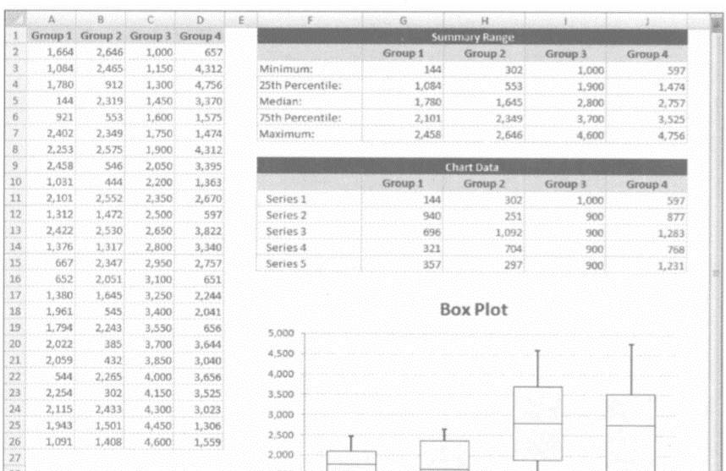
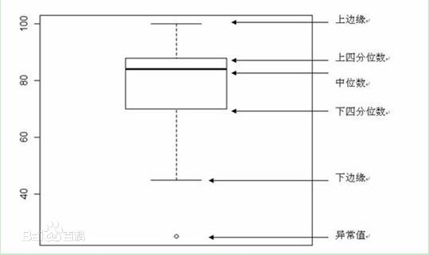
Times | Fair | Good | Very Good | Premium | Ideal | Series | Fair | Good | Very Good | Premium | Ideal
1 | 1808 | 3298 | 13691 | 2631 | 1746 | Series1 | 581 | 351 | 384 | 468 | 408
2 | 2287 | 891 | 12603 | 4586 | 828 | Series2 | 1426.5 | 568.5 | 629 | 525 | 451.5
3 | 3403 | 3148 | 1932 | 5519 | 2168 | Series3 | 1257.5 | 2153.5 | 1396 | 1870 | 894.5
4 | 2317 | 567 | 6834 | 8449 | 1061 | Series4 | 1772 | 2203.5 | 3477.5 | 3333 | 1989.5
5 | 729 | 11851 | 10202 | 3674 | 863 | Series5 | 13494 | 12625.5 | 12518.5 | 12545 | 13370.5
6 | 3205 | 3584 | 548 | 855 | 1607
7 | 584 | 1561 | 3113 | 8610 | 1859
8 | 10913 | 1554 | 2551 | 2572 | 2656
9 | 2458 | 490 | 4534 | 8602 | 552
10 | 2530 | 3949 | 872 | 731 | 1813
11 | 3658 | 816 | 700 | 4443 | 473
12 | 2550 | 11696 | 886 | 7862 | 2664
13 | 2458 | 2502 | 7079 | 4497 | 788
14 | 7727 | 784 | 757 | 1024 | 720
15 | 1749 | 1408 | 1566 | 1666 | 514
16 | 3538 | 8079 | 2905 | 7089 | 6264
17 | 6210 | 7430 | 3567 | 468 | 746
18 | 2318 | 522 | 2562 | 6048 | 1961
19 | 1709 | 3465 | 828 | 14844 | 851
20 | 2491 | 3848 | 4932 | 1349 | 1721
21 | 911 | 4114 | 8291 | 686 | 1179
22 | 2883 | 6421 | 3975 | 6713 | 867
23 | 1999 | 1643 | 5397 | 6121 | 6683
24 | 2368 | 1423 | 5236 | 10553 | 1001
25 | 1011 | 3303 | 6443 | 9271 | 3710
26 | 1367 | 6653 | 4234 | 7311 | 928
27 | 1274 | 12467 | 6763 | 17001 | 988
28 | 5633 | 7026 | 3967 | 990 | 1144
29 | 907 | 802 | 1988 | 9330 | 1916
30 | 3743 | 734 | 573 | 9541 | 2601
31 | 1114 | 596 | 544 | 4191 | 1300
32 | 2875 | 7392 | 8101 | 2930 | 862
33 | 4398 | 2863 | 561 | 5975 | 2161
34 | 2949 | 2614 | 6662 | 608 | 857
35 | 3205 | 4072 | 1107 | 798 | 558
36 | 1848 | 3655 | 1408 | 2352 | 582
37 | 1069 | 6104 | 646 | 2173 | 1792
38 | 4732 | 4242 | 920 | 10824 | 729
39 | 2401 | 9569 | 2055 | 5292 | 1720
40 | 2879 | 5588 | 3249 | 1040 | 5792
41 | 6503 | 2370 | 605 | 1026 | 816
42 | 5484 | 2218 | 3160 | 984 | 936
43 | 1410 | 3249 | 4588 | 990 | 3075
44 | 1720 | 1136 | 1031 | 4036 | 911
45 | 3812 | 591 | 489 | 854 | 11470
46 | 7928 | 7177 | 1940 | 11066 | 3257
47 | 6659 | 14285 | 696 | 4989 | 734
48 | 819 | 2327 | 3415 | 3949 | 5424
49 | 1127 | 7059 | 2254 | 1284 | 4372
50 | 1348 | 2606 | 1436 | 4641 | 5698
51 | 4381 | 5028 | 5625 | 4514 | 591
52 | 1012 | 969 | 17759 | 823 | 5373
53 | 907 | 462 | 2623 | 1814 | 3191
54 | 3689 | 13499 | 1017 | 13873 | 942
55 | 3332 | 957 | 1706 | 899 | 7811
56 | 8190 | 462 | 9498 | 4436 | 456
57 | 2493 | 4140 | 11406 | 2330 | 1056
58 | 4898 | 3801 | 666 | 15601 | 749
59 | 13744 | 2751 | 5408 | 848 | 798
60 | 4044 | 408 | 1179 | 561 | 672
61 | 1327 | 3061 | 13691 | 1196 | 4383
62 | 4263 | 15928 | 818 | 486 | 734
63 | 8674 | 1955 | 6019 | 4154 | 1754
64 | 1087 | 847 | 4130 | 14424 | 1838
65 | 2167 | 4204 | 11716 | 6541 | 7412
66 | 2491 | 6046 | 7113 | 16021 | 5763
67 | 10954 | 8313 | 1376 | 8527 | 838
68 | 3530 | 2591 | 505 | 625 | 952
69 | 3597 | 3990 | 873 | 4688 | 17114
70 | 4276 | 1786 | 4084 | 5483 | 5706
71 | 1974 | 773 | 2923 | 2889 | 2319
72 | 4256 | 6175 | 664 | 2040 | 3680
73 | 1808 | 4205 | 5871 | 798 | 408
74 | 4163 | 614 | 2337 | 540 | 590
75 | 2358 | 9129 | 552 | 4514 | 5006
76 | 5028 | 3750 | 5638 | 2012 | 919
77 | 3856 | 357 | 1436 | 1116 | 850
78 | 4227 | 4432 | 2074 | 18741 | 3297
79 | 17713 | 6288 | 716 | 10020 | 2183
80 | 7333 | 650 | 1987 | 5515 | 1140
81 | 5040 | 589 | 2368 | 1013 | 1176
82 | 1902 | 4914 | 18405 | 5166 | 3428
83 | 13744 | 707 | 1070 | 3553 | 1786
84 | 11128 | 4679 | 685 | 1050 | 2211
85 | 2326 | 1605 | 2959 | 828 | 2616
86 | 586 | 2604 | 10053 | 928 | 1781
87 | 1363 | 492 | 816 | 773 | 1389
88 | 1334 | 5621 | 15335 | 9126 | 767
89 | 5475 | 653 | 7343 | 8202 | 5188
90 | 12617 | 3669 | 2326 | 1238 | 14775
91 | 3117 | 2120 | 1654 | 608 | 4523
92 | 2982 | 1939 | 1767 | 1232 | 3056
93 | 10184 | 1554 | 7345 | 1105 | 2255
94 | 1637 | 4639 | 709 | 1574 | 625
95 | 2368 | 675 | 1896 | 13248 | 8299
96 | 3437 | 2953 | 2312 | 765 | 9900
97 | 12633 | 7214 | 873 | 2318 | 703
98 | 7258 | 5168 | 4689 | 10161 | 967
99 | 2811 | 4022 | 835 | 3475 | 2993
100 | 4864 | 4149 | 3432 | 1650 | 1707
101 | 3689 | 7177 | 8444 | 752 | 828
102 | 1715 | 3569 | 872 | 7213 | 1758
103 | 4704 | 683 | 2312 | 2727 | 629
104 | 10011 | 8741 | 1565 | 5123 | 673
105 | 3700 | 945 | 12207 | 792 | 3315
106 | 15540 | 963 | 1227 | 702 | 5176
107 | 4295 | 755 | 8797 | 8065 | 990
108 | 893 | 3073 | 552 | 4333 | 627
109 | 1050 | 3363 | 2652 | 2939 | 1956
110 | 1323 | 5252 | 530 | 9234 | 4284
111 | 6816 | 12754 | 7750 | 591 | 2652
112 | 3145 | 801 | 10476 | 951 | 802
113 | 4077 | 612 | 5107 | 7577 | 1079
114 | 2317 | 1573 | 1356 | 1415 | 2751
115 | 3622 | 489 | 1978 | 969 | 8034
116 | 1865 | 2468 | 2196 | 18115 | 16709
117 | 10623 | 12779 | 660 | 4657 | 702
118 | 2721 | 5345 | 719 | 2352 | 1276
119 | 3119 | 3649 | 4209 | 5620 | 1617
120 | 6597 | 698 | 2098 | 2045 | 4007
121 | 3265 | 1303 | 10279 | 5116 | 5199
122 | 2508 | 7197 | 4679 | 7665 | 422
123 | 2777 | 571 | 2098 | 574 | 3344
124 | 1564 | 4693 | 1243 | 770 | 452
125 | 1814 | 575 | 1977 | 4687 | 628
126 | 2092 | 4824 | 5612 | 3261 | 5154
127 | 3146 | 7643 | 882 | 945 | 5771
128 | 5771 | 12489 | 863 | 6988 | 1988
129 | 581 | 8190 | 3986 | 810 | 1015
130 | 1749 | 1909 | 8491 | 7963 | 706
131 | 6353 | 11577 | 419 | 743 | 2046
132 | 2304 | 2333 | 384 | 2905 | 4077
133 | 3780 | 754 | 5593 | 1925 | 1207
134 | 4307 | 2398 | 2074 | 1143 | 1169
135 | 3575 | 4510 | 1636 | 996 | 830
136 | 3500 | 373 | 7787 | 1225 | 5292
137 | 2093 | 4899 | 13134 | 7948 | 882
138 | 13442 | 858 | 947 | 723 | 8530
139 | 11128 | 945 | 1672 | 18598 | 4531
140 | 3564 | 3357 | 737 | 14790 | 5852
141 | 2016 | 4592 | 684 | 5751 | 1935
142 | 18531 | 4414 | 6311 | 5396 | 571
143 | 5034 | 842 | 10580 | 10501 | 6610
144 | 8818 | 526 | 1009 | 5154 | 566
145 | 5801 | 5642 | 1990 | 1169 | 432
146 | 3117 | 1312 | 1039 | 2607 | 2872
147 | 4145 | 878 | 2896 | 3016 | 1949
148 | 3375 | 2795 | 886 | 15217 | 603
149 | 3787 | 684 | 9727 | 574 | 3871
150 | 4145 | 6344 | 9694 | 1153 | 8778
151 | 6115 | 2187 | 3920 | 2648 | 687
152 | 2964 | 351 | 1580 | 3585 | 4030
153 | 2273 | 8387 | 608 | 2203 | 2715
154 | 2394 | 7207 | 5088 | 2863 | 9856
155 | 7934 | 8316 | 6665 | 855 | 8400
156 | 7918 | 1267 | 7438 | 1085 | 3409
157 | 4873 | 5301 | 18068 | 15110 | 8431
158 | 2241 | 1333 | 666 | 1755 | 3235
159 | 5292 | 8750 | 7989 | 1835 | 758
160 | 3282 | 3096 | 8069 | 743 | 1264
161 | 1641 | 4125 | 14740 | 4303 | 936
162 | 5622 | 1066 | 465 | 5055 | 3800
163 | 4147 | 8820 | 2409 | 4702 | 3674
164 | 5846 | 3965 | 1043 | 3194 | 1346
165 | 3205 | 5600 | 8172 | 576 | 1987
166 | 3461 | 687 | 524 | 720 | 791
167 | 2384 | 4210 | 4098 | 2206 | 4150
168 | 2438 | 1138 | 565 | 7187 | 1648
169 | 13007 | 4523 | 3569 | 8842 | 10197
170 | 3011 | 2190 | 4321 | 2588 | 8279
171 | 4118 | 591 | 608 | 2273 | 502
172 | 5062 | 1246 | 5902 | 844 | 2852
173 | 1832 | 4197 | 2834 | 2633 | 3249
174 | 2815 | 4882 | 17184 | 1046 | 1003
175 | 2940 | 571 | 3699 | 6743 | 893
176 | 3733 | 17902 | 4193 | 812 | 783
177 | 833 | 894 | 780 | 5324 | 1143
178 | 1227 | 14148 | 1828 | 6066 | 1080
179 | 829 | 7233 | 2558 | 851 | 1367
180 | 6817 | 771 | 680 | 644 | 8036
181 | 10954 | 452 | 2728 | 8866 | 1052
182 | 4551 | 472 | 652 | 698 | 827
183 | 1286 | 749 | 14749 | 1011 | 14584
184 | 3816 | 2344 | 6419 | 665 | 3401
185 | 1040 | 4312 | 9336 | 645 | 1359
186 | 3787 | 1001 | 12736 | 666 | 10145
187 | 5255 | 4480 | 3418 | 13606 | 900
188 | 673 | 3741 | 2016 | 3769 | 1187
189 | 1641 | 687 | 3360 | 941 | 4088
190 | 3142 | 8013 | 9609 | 2720 | 4452
191 | 2358 | 8245 | 1636 | 7192 | 814
192 | 1577 | 461 | 7945 | 2454 | 730
193 | 7832 | 1268 | 449 | 612 | 1915
194 | 6397 | 5743 | 1605 | 1760 | 1446
195 | 6727 | 462 | 2003 | 10669 | 1161
196 | 4656 | 7022 | 2294 | 8919 | 3283
197 | 8716 | 1710 | 4543 | 5055 | 3542
198 | 8794 | 1657 | 5245 | 4197 | 3777
 | Group0 | Fair | Good | Very Good | Premium | Ideal
Fair |  | 581 | 1426.5 | 1257.5 | 1772 | 408
Good |  | 351 | 568.5 | 2153.5 | 2203.5 | 451.5
Very Good |  | 384 | 629 | 1396 | 3477.5 | 894.5
Premium |  | 468 | 525 | 1870 | 3333 | 1989.5
199 | 1814 | 4606 | 2086 | 6271 | 1443

 | Group1 | Group2 | Group3 | Group4 | Group5
Minimum | 581 | 351 | 384 | 468 | 408
25th Percentile | 2007.5 | 919.5 | 1013 | 993 | 859.5
Median | 3265 | 3073 | 2409 | 2863 | 1754
75th Percentile | 5037 | 5276.5 | 5886.5 | 6196 | 3743.5
Maximum | 18531 | 17902 | 18405 | 18741 | 17114

Series1 | 581 | 351 | 384 | 468 | 408
Series2 | 1426.5 | 568.5 | 629 | 525 | 451.5
Series3 | 1257.5 | 2153.5 | 1396 | 1870 | 894.5
Series4 | 1772 | 2203.5 | 3477.5 | 3333 | 1989.5
Series5 | 13494 | 12625.5 | 12518.5 | 12545 | 13370.5

图1-3-9 经典商业图表配色
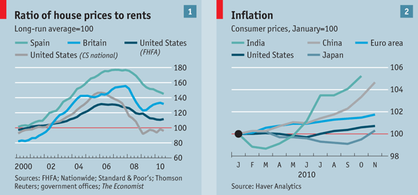
表1-3-9 经典商业杂志部分配色方案的RGB值

华尔街日报 | The Wall Street Journal |  |  |  |  | 背景色 1 |  | 背景色 2
RGB | RGB | 6,102,177 | 237,27,58 | 0,173,79 | 254,220,25 |  | 236,241,249 |  | 216,223,241 | 236,241,249
商业周刊 | Business Week 1 |  |  |  |  |  |  | 背景色
RGB | RGB | 0,174,247 | 231,31,38 | 0,166,82 | 240,133,39 | 227,13,132 | 206,219,41 |  | 255,255,255
商业周刊 | Business Week 2 |  |  |  |  |  | 背景色 1 |  |  | 背景色 2
RGB | RGB | 0,56,115 | 247,0,0 | 41,168,220 | 231,31,38 | 78,184,72 |  | 200,215,219 | 224,234,237 |  | 215,215,215 | 231,231,231
经济学人 | The Economist |  |  |  |  |  |  |  | 背景色 1 |  | 背景色 2
RGB | RGB | 8,189,255 | 0,164,220 | 0,81,108 | 93,145,167 | 240,89,62 | 122,37,15 | 0,137,130 |  | 205,221,230 |  | 255,255,255

图1-3-10_1
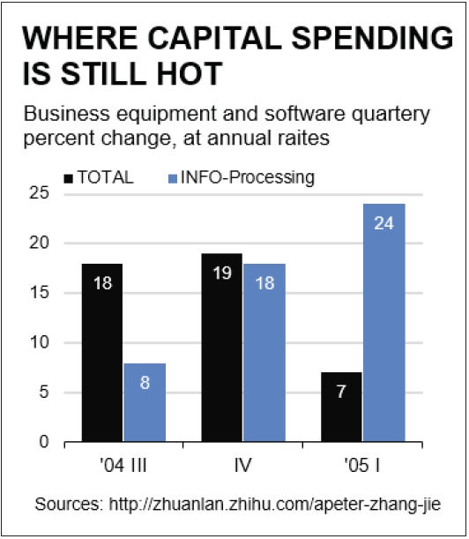
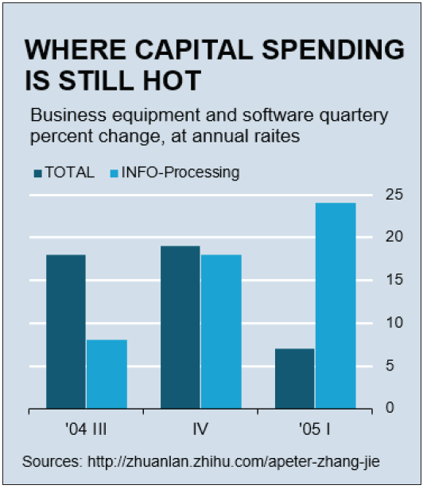
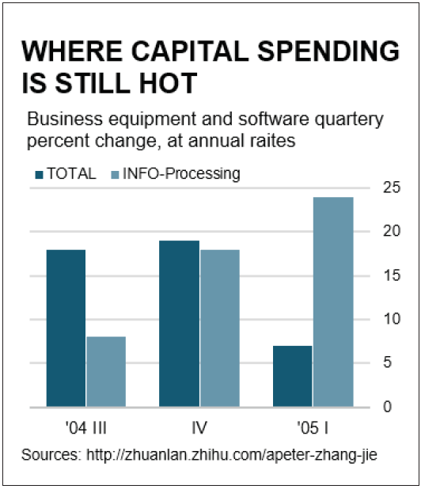
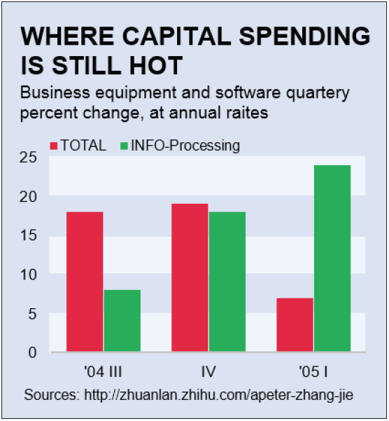
 | TOTAL | INFO-Processing
'04 III | 18 | 8
IV | 19 | 18
'05 I | 7 | 24

Sheet1
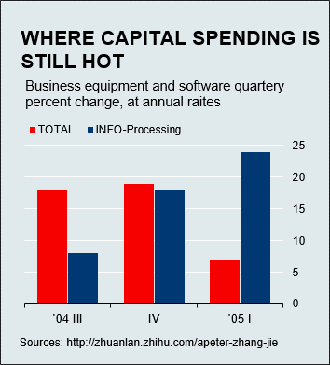
 | TOTAL | INFO-Processing
'04 III | 18 | 8
IV | 19 | 18
'05 I | 7 | 24

图1-3-10_2
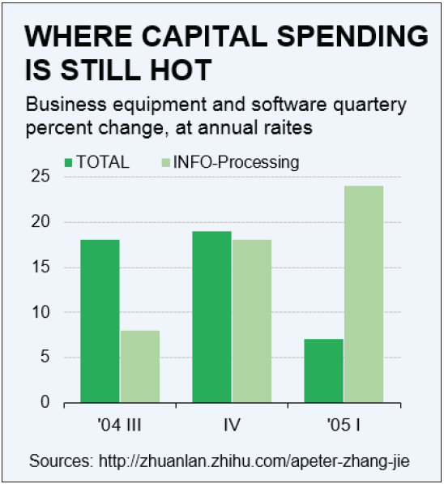
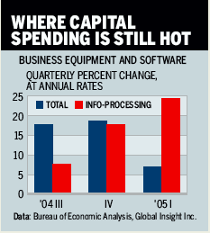
 | TOTAL | INFO-Processing
'04 III | 18 | 8
IV | 19 | 18
'05 I | 7 | 24

使用条款
使用条款

Copyright (c) 2016 by EasyCharts的图表博客
Github博客：http://easychart.github.io/blog.html
知乎专栏：https://zhuanlan.zhihu.com/EasyCharts
新浪微博：http://www.weibo.com/easycharts
本使用条款不得被修改、删除。

本文档作为《Excel数据之美：科学图表与商业图表的绘制》一书的配套范例文件而建立，仅作为该书读者个人对照书本阅读、理解、学习之用途，不得用于转让、出售、商业培训等任何营利性质的用途，也不得发布到互联网上任何网站、论坛、社区、博客等途径提供收费下载。
本文档仅作为该书案例讲解和读者学习理解之用途，已尽量设计得正确。但若读者将其用于公司内部实际工作使用，本文档并不保证适合所有的应用场景，无论读者是否进行定制化修改，本作者对由此所可能引起的任何错误、损失等不承担任何责任。

All rights are reserved. This workbook may not be reprinted or distributed in electronic, print, web, or other format without express written permission from the author.
This workbook is designed to provide information about Microsoft Excel. Every effort has been made to make them as complete and accurate as possible.
The information is provided on an “as is” basis. The author shall have neither liability nor responsibility to any person or entity with respect to any loss or damages arising from the contents or use of these workbooks.

You may make archival copies and customize this template (the "Software") for personal use or for your
company use. The customized template (with your specific personal or company information) may be
used and shared within your company, but this template or any document including or derived from
this template may NOT be sold, distributed, or placed on a public server such as the internet.

Caution: This spreadsheet is for educational and illustrative purposes only and should not be construed as
financial advice. The results may not reflect reality and may not apply to your specific situation.

